Sheet1
 |  | BMW Motorcycle Club – Rally 2021 Registration Form Friday 22 January - Monday 25 January 2021 Plymouth International Hotel - 220 Courtney Street, New Plymouth 4312 Phone (06) 759 9128 - Email: reservations@plymouth.co.nz

 | Name 1 |  |  | Membership Number
 | Name 2 |  |  | Membership Number
 | Address |  |  |  | Post Code

 | Contact Phone
 | Email

 |  | Rally Fee (Includes Saturday Night Dinner) - per person |  | $110.00
 |  | Surcharge for Non Club Members – per person |  | $30.00
 |  | Friday Night ‘Meet & Greet’ – per person |  | $32.00
 |  | · Casual ‘Mix and Mingle’
 |  | · Serviced Bar for guests to buy their own drinks
 |  | · Light Buffet
 |  | Saturday Night (Included in Registration Fee) |  |  |  | $0.00
 |  | · Serviced Bar for guests to buy their own drinks
 |  | · Dinner – 3 course option |  | $0.00
 |  | · Venue has round tables / 10 guests per table
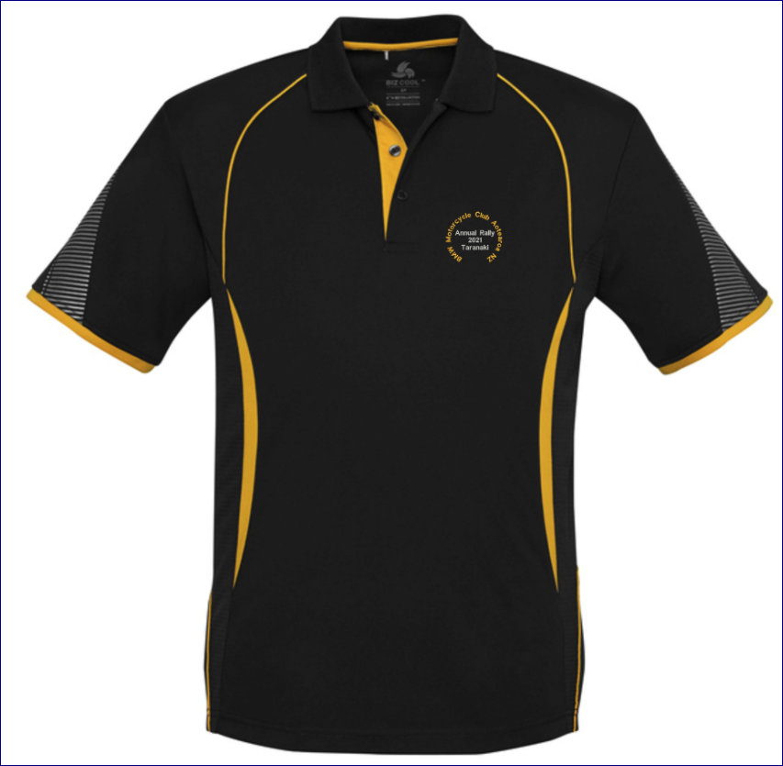
 |  | · Bar Leaners
 |  | Sunday Night - As per Friday Nights – per person |  | $32.00
 |  | Rally Polo Shirts (See sizing Chart in the Newsletter) |  | $55.00 | Order
 |  | · Orders received prior to 20 August will be $48-00 each |  |  | Size
 |  | · Orders received after to 20 August will be $55-00 each |  |  | Mens
 |  | Mens S M L XL 2XL 3XL 5XL
 |  | ( half chest size) 52 55 58 62 65 71 79 (cms) |  |  | Womens
 |  | Womens 8 10 12 14 16 18 20 22 24
 |  | 46.5 49 51.5 54 56.5 59 62 65 68 (cms)

 | TOTAL PAYMENT FOR THIS RALLY Payment to BMWMC’s Account 03-1519-0034447-01 Use your Name and Membership Number – Reference Code R2021 |  |  |  |  | $0.00

HOTEL SPECIAL |  |  | Special Hotel Rate - Bed and Breakfast (Book Direct) - $ 199.00 per 2 nights (Single/twin/double room) - $ 189.00 per night for a three night stay

 | Special Dietary Requirements

 | Send completed Registration Forms to: ray.senior@xtra.co.nz or Post to: . Rally 2021 c/- 206 Seaview Road, Westown, New Plymouth 4310 . . All registration forms will be acknowledged. .

 | Disclaimer: This rally will be run under the BMW Motorcycle Club Aotearoa New Zealand (Inc) Risk Management Plan as published in the Club’s Official Monthly Newsletter. By registering for this event, participants agree to abide by all the conditions of the said Risk Management Plan.

